ConfidenceInterval-GD-Scenario1
Scenario I: Scalability Analysis
95% Confidence Interval and standard deviation for
Generational Distance
with different algorithms

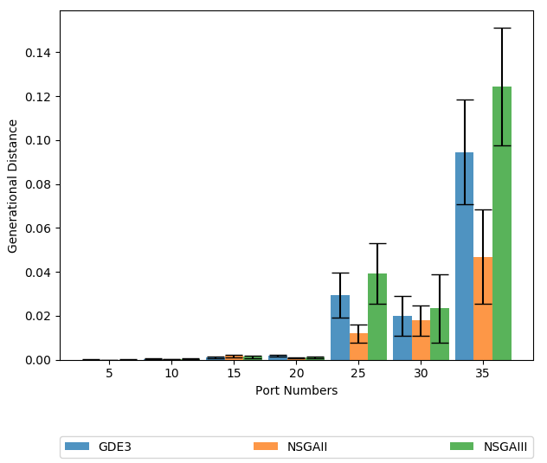
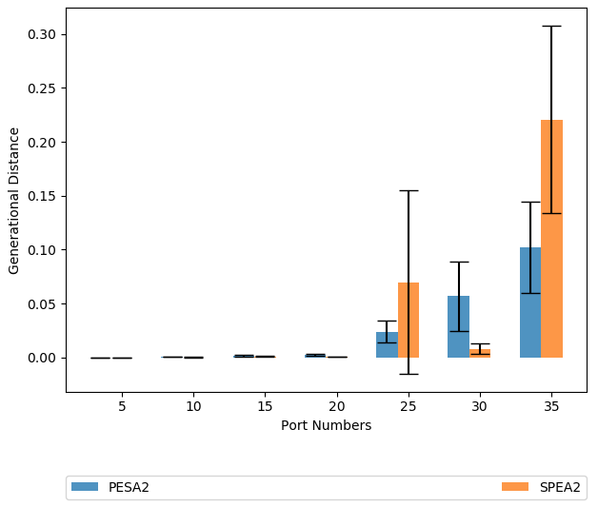

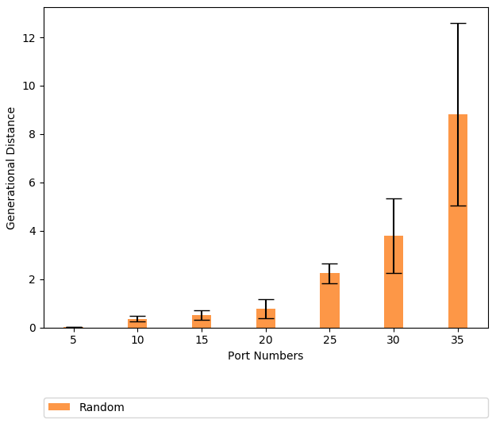

 | 5 port call |  | 10 port call |  | 15 port call |  | 20 port call |  | 25 port call |  | 30 port call |  | 35 port call
GD | average | sd | average | std | average | std | average | std | average | std | average | std | average | std
GDE3 | 0 | 0 | 0 | 0 | 0.001 | 0.001 | 0.002 | 0.001 | 0.029 | 0.028 | 0.02 | 0.025 | 0.094 | 0.065
NSGAII | 0 | 0 | 0 | 0 | 0.002 | 0.002 | 0.001 | 0.001 | 0.012 | 0.011 | 0.018 | 0.019 | 0.047 | 0.058
NSGAIII | 0 | 0 | 0 | 0.001 | 0.001 | 0.001 | 0.001 | 0.001 | 0.039 | 0.037 | 0.023 | 0.043 | 0.124 | 0.073
PESA2 | 0 | 0 | 0.001 | 0 | 0.002 | 0.001 | 0.003 | 0.002 | 0.024 | 0.027 | 0.057 | 0.087 | 0.102 | 0.115
SPEA2 | 0 | 0 | 0 | 0 | 0.001 | 0.001 | 0.001 | 0 | 0.07 | 0.099 | 0.008 | 0.007 | 0.221 | 0.169
RS | 0.007 | 0.007 | 0.365 | 0.357 | 0.52 | 0.462 | 0.779 | 1.055 | 2.246 | 0.912 | 3.794 | 3.802 | 8.824 | 9.136

ConfidenceInterval-EP-Scenario1
Scenario I: Scalability Analysis
95% Confidence Interval and standard deviation for
Epsilon Indicator
with different algorithms

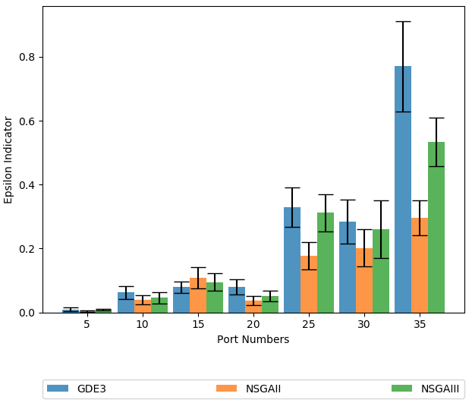
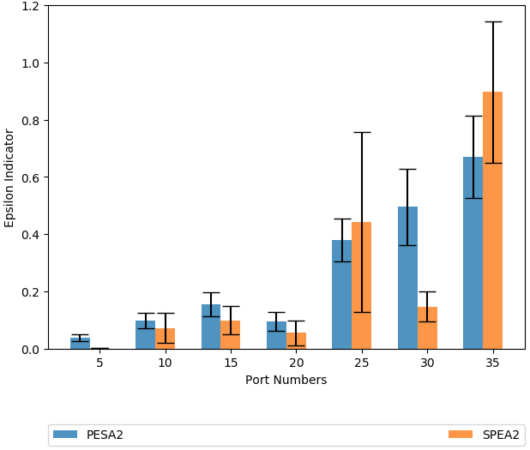

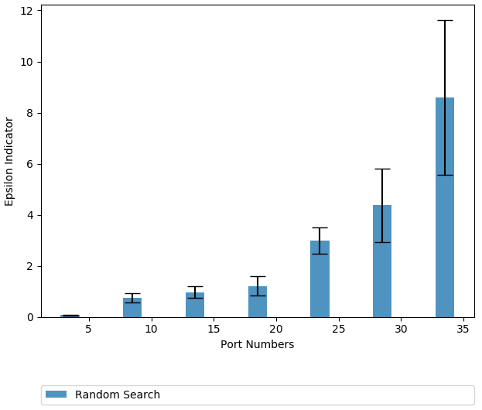

 | 5 port call |  | 10 port call |  | 15 port call |  | 20 port call |  | 25 port call |  | 30 port call |  | 35 port call
EPI | average | sd | average | std | average | std | average | std | average | std | average | std | average | std
GDE3 | 0.009 | 0.015 | 0.062 | 0.052 | 0.079 | 0.05 | 0.079 | 0.066 | 0.329 | 0.167 | 0.283 | 0.188 | 0.771 | 0.385
NSGAII | 0.005 | 0.007 | 0.039 | 0.039 | 0.108 | 0.093 | 0.038 | 0.039 | 0.177 | 0.117 | 0.202 | 0.156 | 0.296 | 0.147
NSGAIII | 0.009 | 0.006 | 0.046 | 0.05 | 0.095 | 0.075 | 0.051 | 0.048 | 0.313 | 0.158 | 0.26 | 0.248 | 0.533 | 0.207
PESA2 | 0.039 | 0.03 | 0.099 | 0.07 | 0.156 | 0.116 | 0.096 | 0.087 | 0.379 | 0.204 | 0.495 | 0.359 | 0.67 | 0.389
SPEA2 | 0.003 | 0.001 | 0.073 | 0.072 | 0.1 | 0.079 | 0.056 | 0.074 | 0.443 | 0.368 | 0.147 | 0.072 | 0.896 | 0.479
RS | 0.07 | 0.034 | 0.748 | 0.517 | 0.961 | 0.554 | 1.213 | 1.002 | 2.998 | 1.158 | 4.369 | 3.534 | 8.599 | 7.338

ConfidenceInterval-HV-Scenario1
Scenario I: Scalability Analysis
95% Confidence Interval and standard deviation for
Hypervolume
with different algorithms

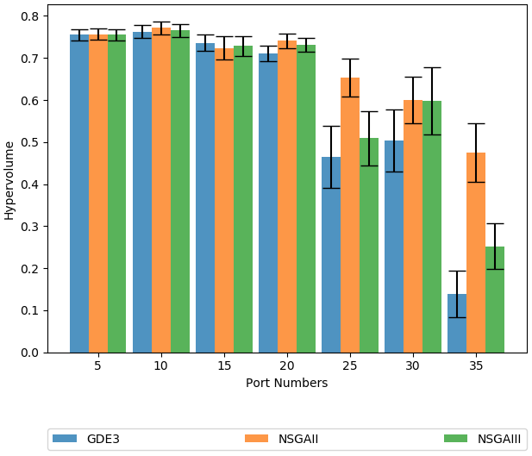
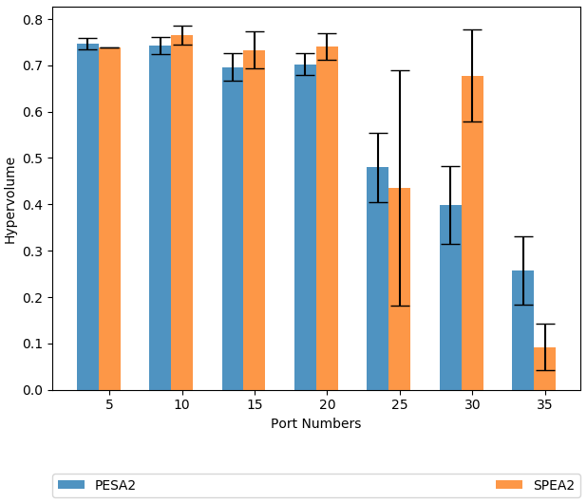

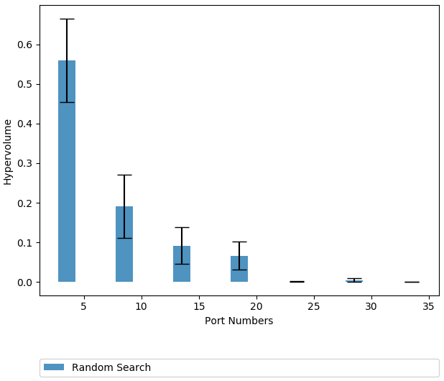

 |  |  |  |  |  |  |  | Column1

 | 5 port call |  | 10 port call |  | 15 port call |  | 20 port call |  | 25 port call |  | 30 port call |  | 35 port call
HV | average | sd | average | std | average | std | average | std | average | std | average | std | average | std
GDE3 | 0.754 | 0.035 | 0.762 | 0.043 | 0.736 | 0.054 | 0.711 | 0.051 | 0.465 | 0.201 | 0.503 | 0.203 | 0.138 | 0.149
NSGAII | 0.756 | 0.037 | 0.772 | 0.042 | 0.724 | 0.077 | 0.741 | 0.048 | 0.653 | 0.122 | 0.6 | 0.153 | 0.475 | 0.191
NSGAIII | 0.755 | 0.037 | 0.766 | 0.042 | 0.729 | 0.064 | 0.731 | 0.047 | 0.509 | 0.174 | 0.598 | 0.217 | 0.252 | 0.15
PESA2 | 0.746 | 0.034 | 0.743 | 0.05 | 0.696 | 0.08 | 0.703 | 0.063 | 0.48 | 0.201 | 0.398 | 0.228 | 0.257 | 0.201
SPEA2 | 0.738 | 0 | 0.765 | 0.029 | 0.733 | 0.062 | 0.741 | 0.05 | 0.435 | 0.296 | 0.678 | 0.136 | 0.092 | 0.098
RS | 0.56 | 0.288 | 0.191 | 0.216 | 0.092 | 0.127 | 0.066 | 0.097 | 0 | 0.002 | 0.004 | 0.012 | 0 | 0

ConfidenceInterval-RT-Scenario1
Scenario I: Scalability Analysis
95% Confidence Interval and standard deviation for
Runtime
with different algorithms

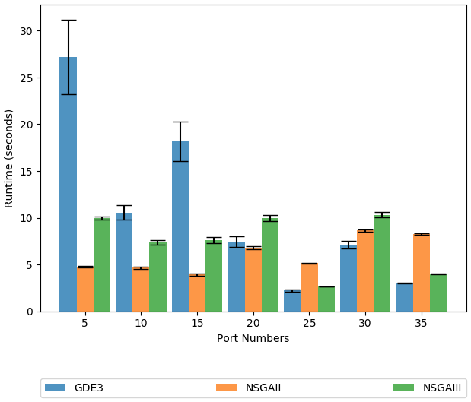
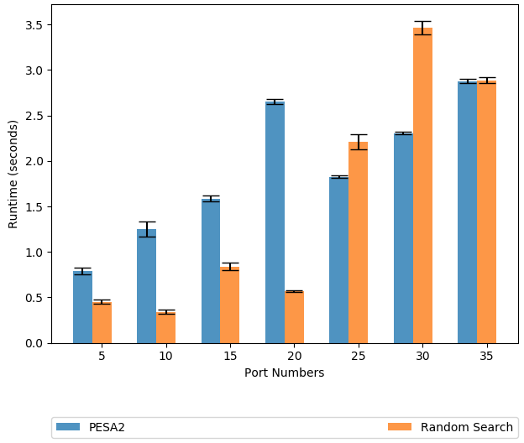

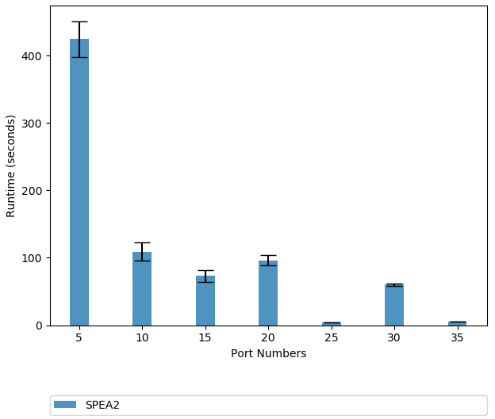

 | 5 port call |  | 10 port call |  | 15 port call |  | 20 port call |  | 25 port call |  | 30 port call |  | 35 port call
RT | average | sd | average | std | average | std | average | std | average | std | average | std | average | std
GDE3 | 27.206 | 20.23 | 10.557 | 3.835 | 18.167 | 10.856 | 7.447 | 2.757 | 2.236 | 0.613 | 7.113 | 1.985 | 3.039 | 0.296
NSGAII | 4.747 | 0.19 | 4.657 | 0.318 | 3.914 | 0.335 | 6.806 | 0.494 | 5.135 | 0.085 | 8.647 | 0.302 | 8.249 | 0.275
NSGAIII | 9.938 | 0.453 | 7.352 | 0.672 | 7.603 | 0.933 | 9.937 | 0.902 | 2.664 | 0.043 | 10.327 | 0.838 | 3.966 | 0.106
PESA2 | 0.788 | 0.094 | 1.251 | 0.232 | 1.587 | 0.085 | 2.654 | 0.084 | 1.827 | 0.043 | 2.305 | 0.042 | 2.876 | 0.063
SPEA2 | 424.392 | 72.294 | 108.922 | 36.807 | 72.975 | 25.46 | 96.373 | 20.472 | 4.11 | 0.09 | 60.424 | 4.316 | 5.513 | 0.302
RS | 0.452 | 0.067 | 0.341 | 0.059 | 0.84 | 0.107 | 0.569 | 0.026 | 2.209 | 0.231 | 3.468 | 0.204 | 2.889 | 0.092

